Flash
 |  |  |  |  |  |  |  |  | Ahmed Emad Lotfy

 |  |  |  |  |  |  |  |  | Flash Test Example 10-1
Pressure, psig |  | Volume, CC | Vrel. | Y-Function | Smoothed Verl. | Density, gm/cc | Co
5000 |  | 61.03 | 0.96389538189 |  |  | 0.67268711126
4500 |  | 61.435 | 0.97029186935 |  |  | 0.66825253357 | 1.3272161232E-05
4000 |  | 61.866 | 0.97709899551 |  |  | 0.66359703876 | 1.403108977E-05
3500 |  | 62.341 | 0.98460104871 |  |  | 0.65854083829 | 1.535576892E-05
3000 |  | 62.866 | 0.99289279171 |  |  | 0.65304130054 | 1.6842848206E-05
2900 |  | 62.974 | 0.9945985217 |  |  | 0.65192133897 | 1.7179397449E-05
2800 |  | 63.088 | 0.99639901447 |  |  | 0.65074331727 | 1.8102709055E-05
2700 |  | 63.208 | 0.99829427001 |  |  | 0.64950788508 | 1.9021049962E-05
2605 |  | 63.455 | 1.0021953377 | 2.6229028294 | 1.0021830593
2591 |  | 63.576 | 1.004106387 | 2.7256538907 | 1.0042567394
2516 |  | 64.291 | 1.0153989513 | 2.6843031267 | 1.0159901577
2401 |  | 65.532 | 1.0349990524 | 2.6061275612 | 1.0362370669
2253 |  | 67.4 | 1.0645018637 | 2.5254141502 | 1.0670449363
2090 |  | 69.901 | 1.104002148 | 2.4383007633 | 1.1086828113
1897 |  | 73.655 | 1.1632920589 | 2.3340271389 | 1.1717391222
1698 |  | 78.676 | 1.2425927096 | 2.2382855443 | 1.2583684357
1477 |  | 86.224 | 1.3618042833 | 2.1389076367 | 1.3926246556
1292 |  | 95.05 | 1.5012003285 | 2.0508042765 | 1.5521186208
1040 |  | 112.715 | 1.7801977383 | 1.9472381098 | 1.887017743
830 |  | 136.908 | 2.1622970497 | 1.8554865183 | 2.3575385748
640 |  | 174.201 | 2.7512950913 | 1.7665498039 | 3.0955538697
472 |  | 235.7 | 3.7225977636 | 1.671509291 | 4.3047753154

 |  |  |  |  |  |  |  | From Graph |  | Vr= | 1
 |  |  |  |  |  |  |  | Pb, psig = | 2620 | Vb= | 63.316
 |  |  |  |  |  |  |  | Density@Pb |  | 0.6484


 |  |  | pressure, psig
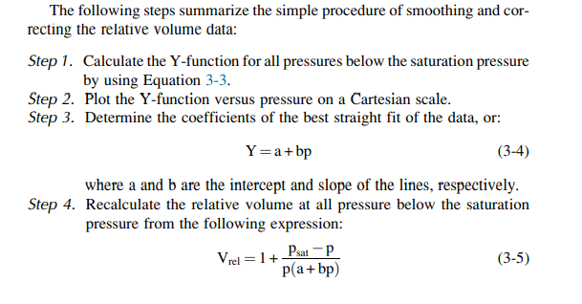
 | Y=a + bP
 | a= | 1.0981
 | b= | 0.000591

SP
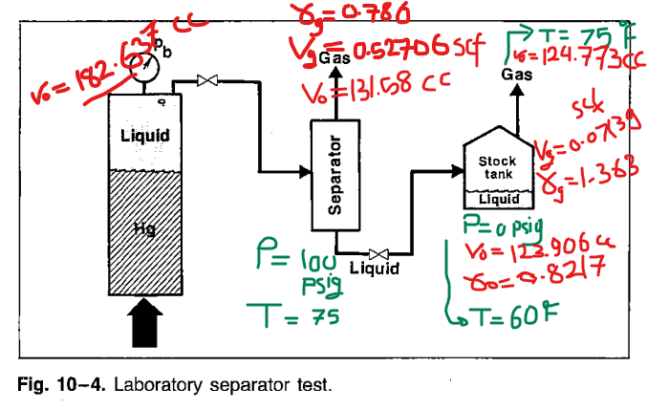
Separator pressure, Psia | Temp oF | GOR, 1 | GOR, Rssb1 | API | Bosb | Separator volume factor, SP bbl/scf | Sp. Gr. Of flashed gas
64.65 | 75
to 14.65 | 75

114.65 | 75 | 636.83624076 | 676.27808629 |  |  | 1.0619340468 | 0.786
to 14.65 | 75 | 90.963281529 | 91.599773427 | 40.703967385 | 1.4739964166 | 1.0069972398 | 1.363
 |  |  | 767.87785972
214.65 | 75
to 14.65 | 75

314.65 | 75
to 14.65 | 75

 |  |  |  |  |  |  | Cell |  |  | Separator |  |  | Stock-Tank
 |  |  |  |  |  | Vo,cc | 182.637 |  | P=100 Psig | Vo | 131.58 | cc | Vo | 124.773
 |  |  |  |  |  |  |  |  | T=75 oF | Vg | 0.52707 | scf | Vg | 0.07139 | T, oF | 75
 |  |  |  |  |  |  |  |  |  | Yg | 0.786 |  | Yg | 1.363
 |  |  |  |  |  |  |  |  |  |  |  |  |  |  | P, psig | 0
 |  |  |  |  |  |  |  |  |  |  |  |  | Vo | 123.906
 |  |  |  |  |  |  |  |  |  |  |  |  | Vg | 0.07139 | T, oF | 60
 |  |  |  |  |  |  |  |  |  |  |  |  | Yg | 1.363
 |  |  |  |  |  |  |  |  |  |  |  |  | Yo | 0.8217

 |  |  |  |  |  |  | RSb | 767.87785972 |  | Separator pressyre, psig | API | Bosb | GOR, Rssb 2
 |  |  |  |  |  |  |  |  |  | 50 | 40.5 | 1.481 | 778
 |  |  |  |  |  |  |  |  | Best Conditions | 100 | 40.7 | 1.474 | 768
 |  |  |  |  |  |  |  |  |  | 200 | 40.4 | 1.483 | 780
 |  |  |  |  |  |  |  |  |  | 300 | 40.1 | 1.495 | 798

BoSb
 | Bosb
50 | 1.481
100 | 1.474
200 | 1.483
300 | 1.495
 | API
50 | 40.5
100 | 40.7
200 | 40.4
300 | 40.1
GOR, RsSb
 | GOR, Rssb 2
50 | 778
100 | 768
200 | 780
300 | 798

FVF (Bo)
 | FT | DT |  |  |  | DT
Prssure, psig | Vt/Vb | RsD | BoD | FVF, bbl/STB | Rs, SCF/STB | Bg | Btd | Bt | Co
5000 | 0.9639 |  |  | 1.421 | 768 |  |  | 1.421
4500 | 0.9703 |  |  | 1.430 | 768 |  |  | 1.430 | 1.3235494483E-05
4000 | 0.9771 |  |  | 1.440 | 768 |  |  | 1.440 | 1.3967397838E-05
3500 | 0.9846 |  |  | 1.451 | 768 |  |  | 1.451 | 1.5292932748E-05
3000 | 0.9964 |  |  | 1.469 | 768 |  |  | 1.469 | 2.3826632128E-05
2900 | 0.9983 |  |  | 1.471 | 768 |  |  | 1.471 | 1.9050489544E-05
2620 | 1 | 853.971 | 1.600 | 1.474 | 768 |  |  | 1.474 | 6.076595142E-06
2350 | 1.0022 | 762.973 | 1.554 | 1.432 | 684 | 0.00686 | 1.600 | 1.4740 | 0.0011409424813
2100 | 1.0041 | 683.988 | 1.515 | 1.396 | 611 | 0.00772 | 1.665 | 1.5341 | 0.0013279015982
1850 | 1.0154 | 611.993 | 1.479 | 1.363 | 545 | 0.00883 | 1.749 | 1.6109 | 0.0015705845074
1600 | 1.035 | 543.976 | 1.445 | 1.331 | 482 | 0.01036 | 1.860 | 1.7132 | 0.0019013383807
1350 | 1.0645 | 478.972 | 1.412 | 1.301 | 423 | 0.01246 | 2.017 | 1.8579 | 0.0023618677106
1100 | 1.104 | 415.977 | 1.382 | 1.273 | 365 | 0.01553 | 2.244 | 2.0676 | 0.003032587874
850 | 1.1633 | 353.986 | 1.351 | 1.245 | 307 | 0.02045 | 2.594 | 2.3895 | 0.0041155681688
600 | 1.2426 | 291.996 | 1.320 | 1.216 | 250 | 0.02936 | 3.172 | 2.9218 | 0.0060935882434
350 | 1.3618 | 161.023 | 1.283 | 1.182 | 130 | 0.05074 | 4.258 | 3.9227 | 0.010915525304
159 | 1.5012 | 157.006 | 1.244 | 1.146 | 126 | 0.10863 | 7.545 | 6.9506 | 0.024230051022

Separator Test
Bosb | GOR, Rssb 2
1.474 | 768
 |  |  | Ahmed Emad Lotfy

 |  | scf/STB/psi | dRs/dP | 0.2568

 |  | bbl/scf | dBo/dRs | 0.0005

